Calculations
 | Perda Técnica (%) | Perda Não Técnica (%) | Perda Total (%)
2008 | 7.2 | 6.4 | 13.6
2009 | 7.2 | 7.0 | 14.2
2010 | 7.2 | 6.6 | 13.8
2011 | 7.1 | 6.2 | 13.3
2012 | 7.1 | 6.7 | 13.8
2013 | 7.2 | 6.2 | 13.4
2014 | 7.2 | 6.2 | 13.4
2015 | 7.4 | 6.2 | 13.6
2016 | 7.4 | 6.6 | 14.0
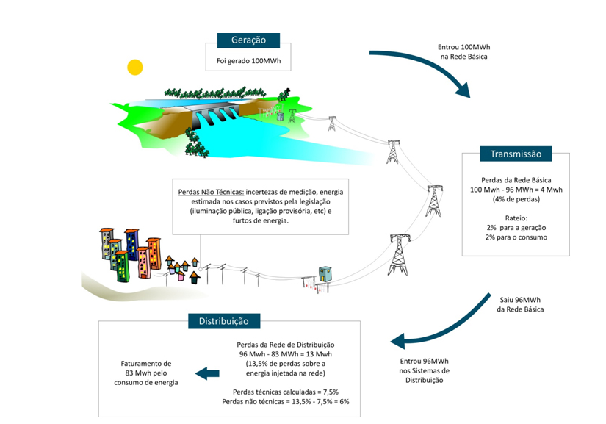
2017 | 7.5 | 6.3 | 13.8
2018 | 7.5 | 6.6 | 14.1
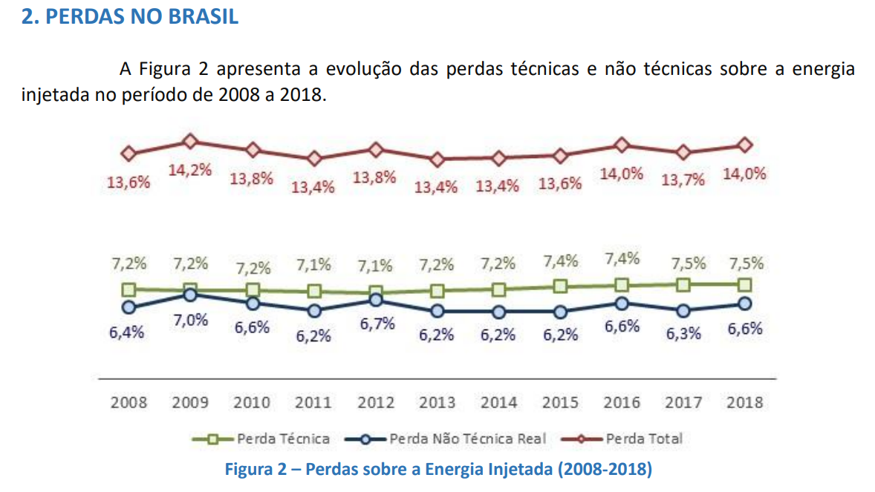
Distribution losses | 13.6%
Transmission losses (base: generation) | 4.00%
% of generation that actually is delivered to consumers | 82.94%
Total losses | 17.1%

